Sheet1
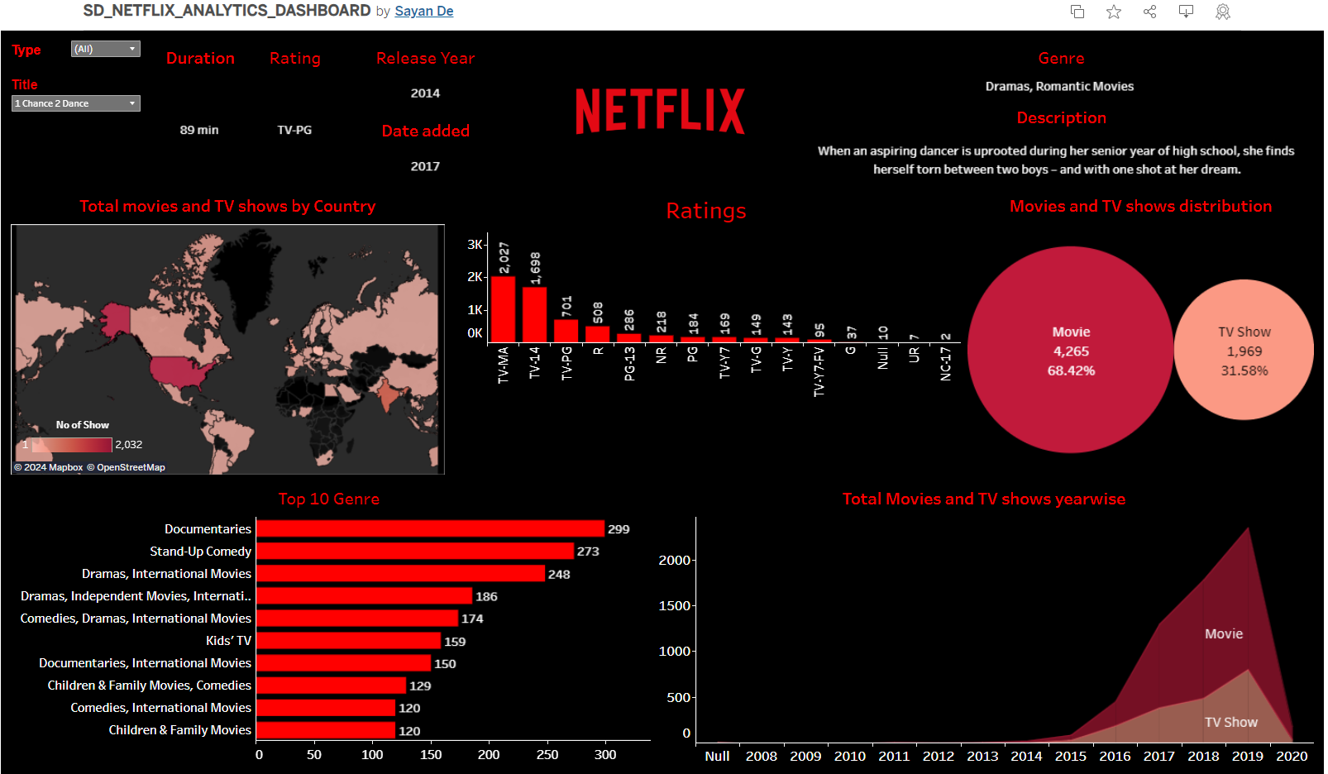
TABLEAU PUBLIC LINK | https://public.tableau.com/app/profile/sayan.de4649/viz/SD_NETFLIX_ANALYTICS_DASHBOARD/Dashboard

